FAI

Customer |  | PO # |  | Date Prepared | 2026-05-05 | First Article Report
Part Name | Square Nut | Samples | 5 | Prepared by: | Meng
Part Number | HD-00051 | Inch or mm | Inch | Revision
FAI | Type (Diameter Length Position etc.) | Nominal | + Tolerance | - Tolerance | High Limit | Low Limit | Method | Mfg. Sample 1 | Mfg. Sample 2 | Mfg. Sample 3
1a | Length | 1.000 | 0.031 | 0.031 | 1.031 | 0.969 | Caliper | 1.0000 | 0.9995 | 0.9995
1b | Length | 1.000 | 0.031 | 0.031 | 1.031 | 0.969 | Caliper | 1.0000 | 0.9995 | 0.9995
2a | Length | 0.500 | 0.031 | 0.031 | 0.531 | 0.469 | VMM | 0.5038 | 0.4994 | 0.4929
2b | Length | 0.500 | 0.031 | 0.031 | 0.531 | 0.469 | VMM | 0.4991 | 0.4967 | 0.4967
3 | Length | 1.500 | 0.031 | 0.031 | 1.531 | 1.469 | Caliper | 1.5055 | 1.5025 | 1.5040

Print Page 1
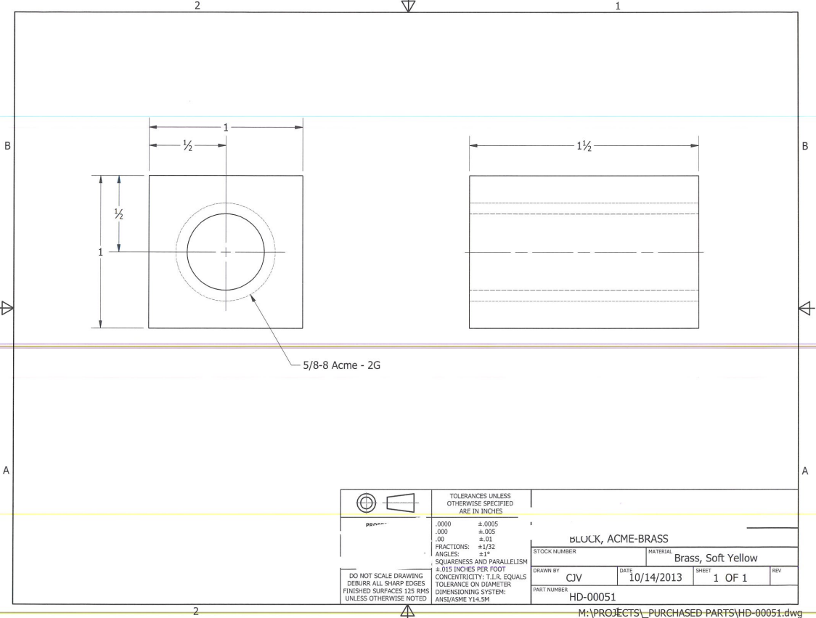

1b
3

2b

2a

1a

Tolerance Table
